Sheet2
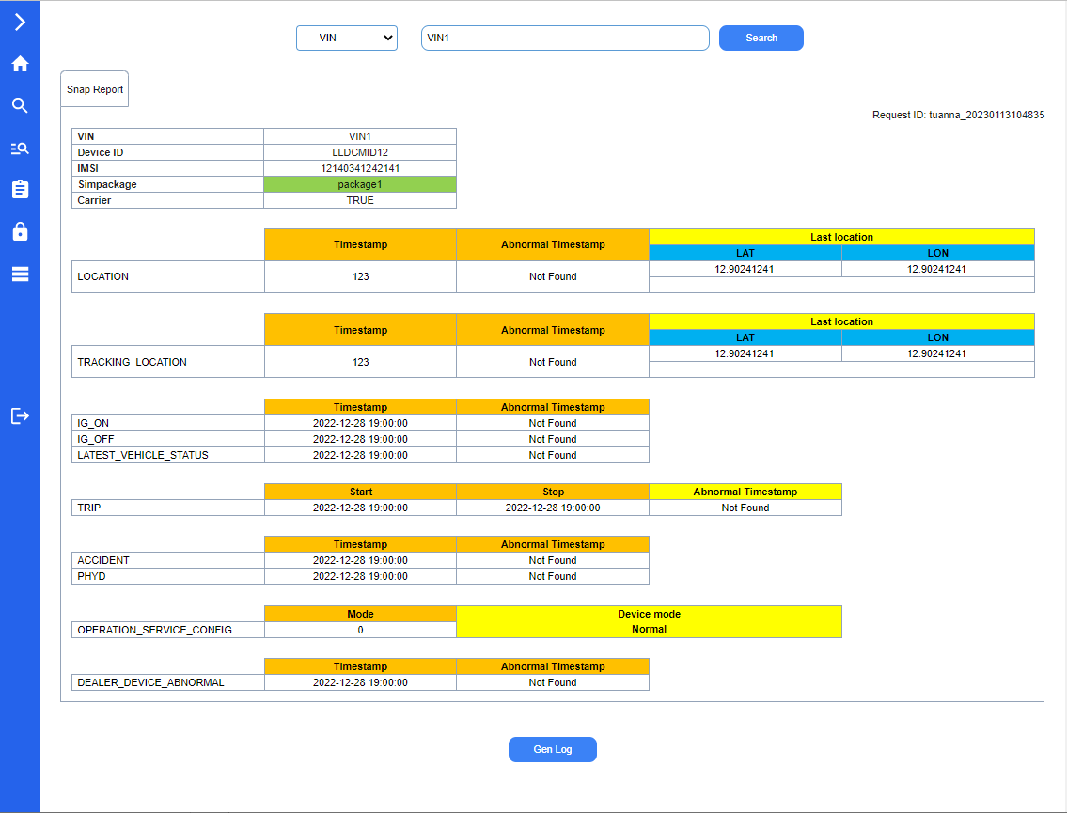
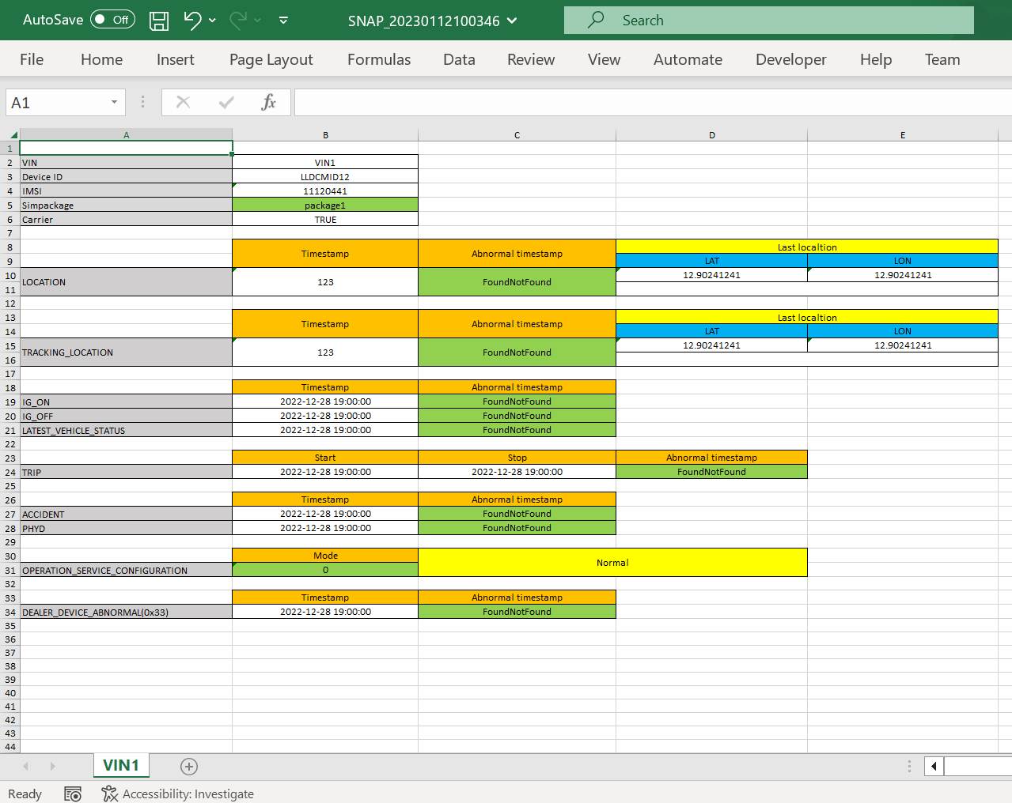
Issue

1 | About the colors on the report, I am also doing the same as the document you sent. This function on the web cannot be changed manually.
1.1 | Can I change these colors to be suitable for the website theme?
1.2 | Do you need to manually adjust this color?

2 | The snapshot report will be exported to excel according to the available excel template
2.1 | Are the colors and layout (at this function on the web) required to be the same as the excel template?
2.2 | If the excel template has been changed, does this function on the web reflect that automatically?
 | In my opinion, it is not necessary. Please confirm.

3 | About Request ID field
3.1 | How is the format of the "Request ID"?
 | Is the format "user yyyyMMddhhmmss" ok?
3.2 | I think the "Request ID" here is unnecessary. It will be generated automatically on the request report screen and displayed on the "Report Monitoring" screen.
 | Please explain more. Thank you.

 | On Web look like | Snapshot Report in Excel

Sheet3
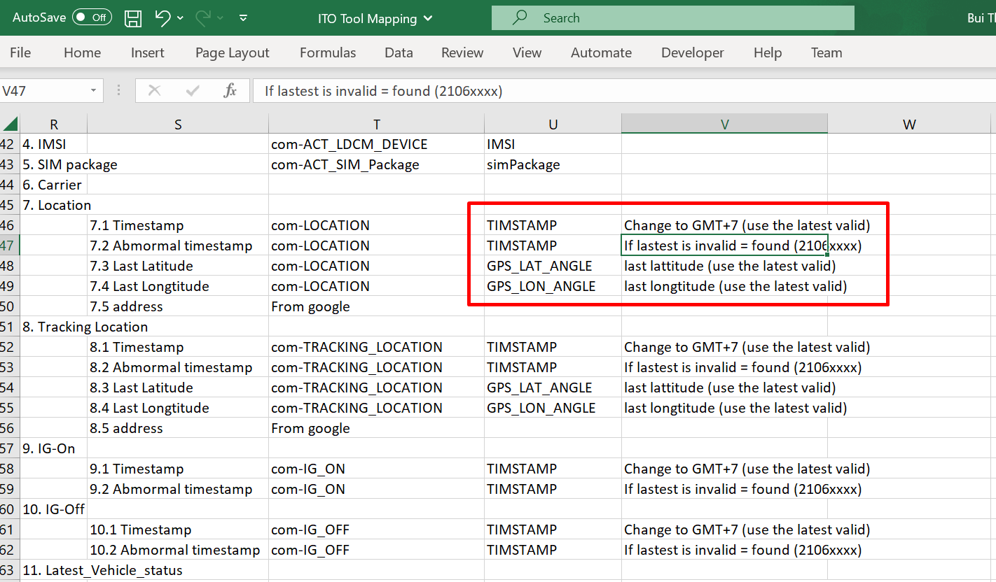
Issue

 | About validate timestamp
1 | I understand that: Timestamp is VALID if the value matches the pattern in the correct format yyyyMMddhhmmss.
 | Please confirm for me. Thanks!

Sheet4
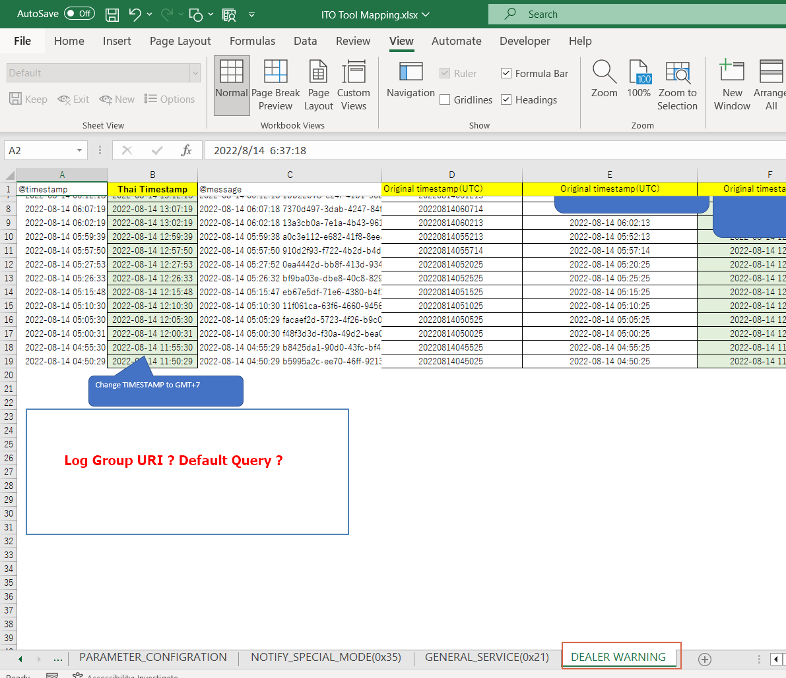
Issue

1 | In ITO Tool Mapping, Sheet DEALER_WARINING, The specification for default query is missing.
 | Please add more information.

Sheet5
Issue
1 | In the "Generate Report" screen, there is no VIN field. so, when the request displayed on the "Report Monitoring" screen, the VIN column will be empty
 | Please confirm this point.

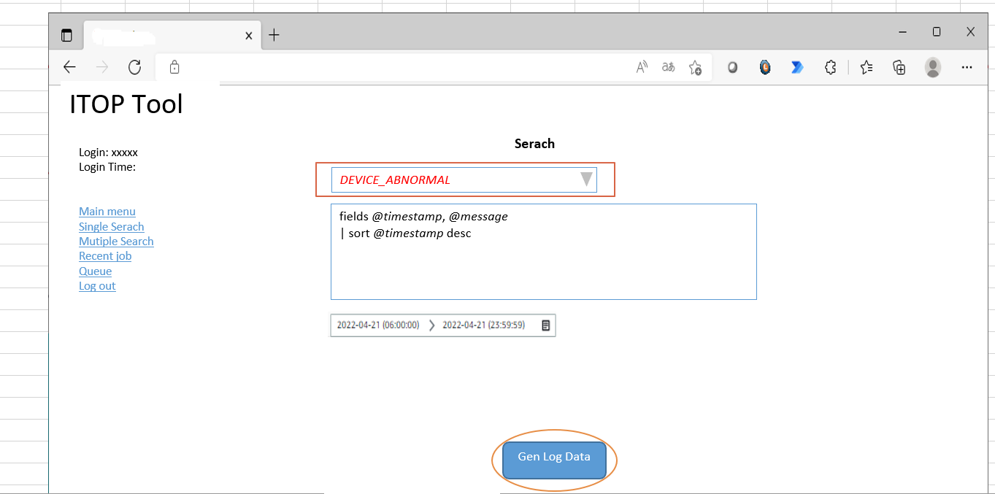

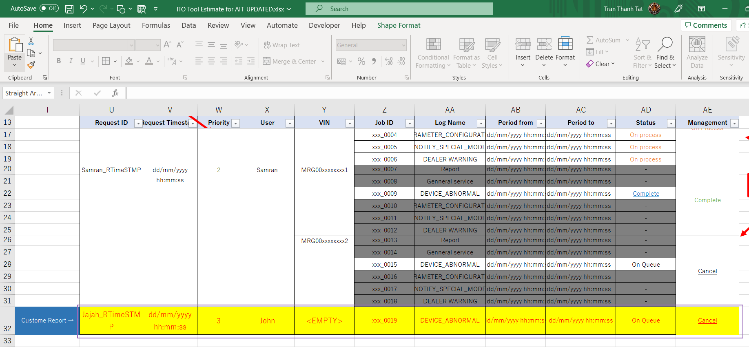

 |  | Dữ liệu đăng ký từ màn hình Custome Report sẽ có VIN = EMPTY ?

Sheet6
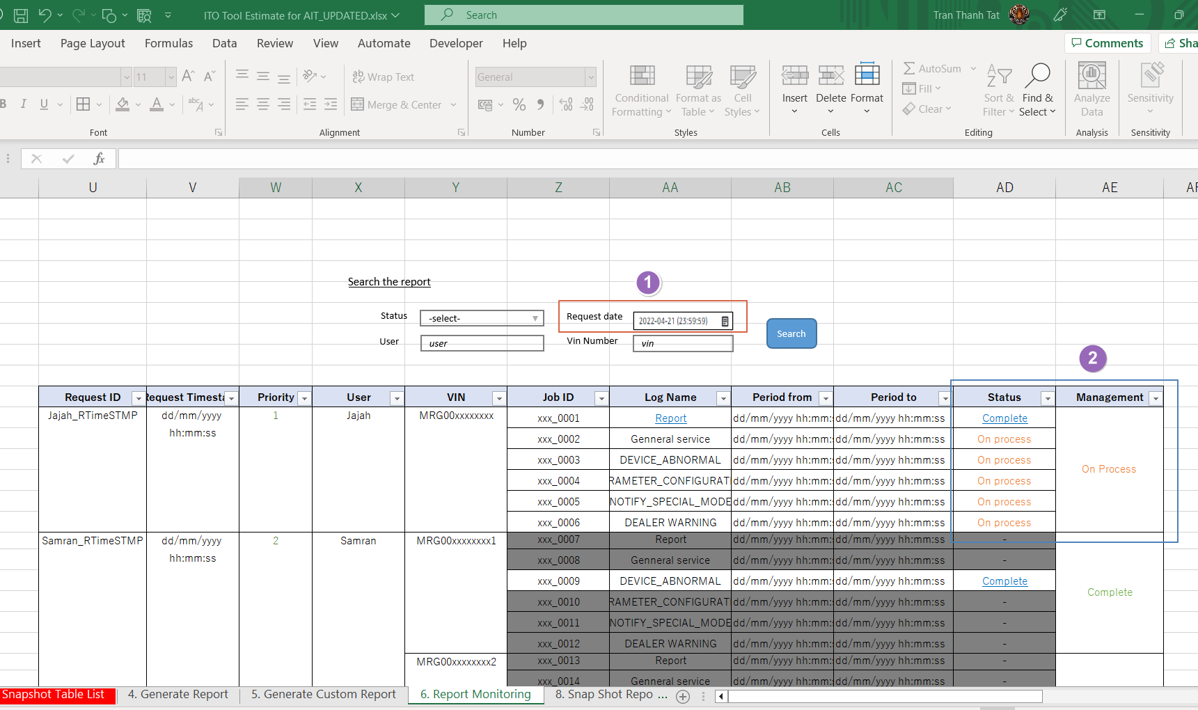
Issue
1 | I think Search condition "Request Data" should have 2 inputs "From Date" - "To Date"
 | Mandatory input fields: only "Request Data"
2 | In column Management: When all reports are completed, the link "Completed" will be active.
 | Users click this link to download all reports in 1 zip file.
 | Do you have any idea? Please let me know.

Sheet7
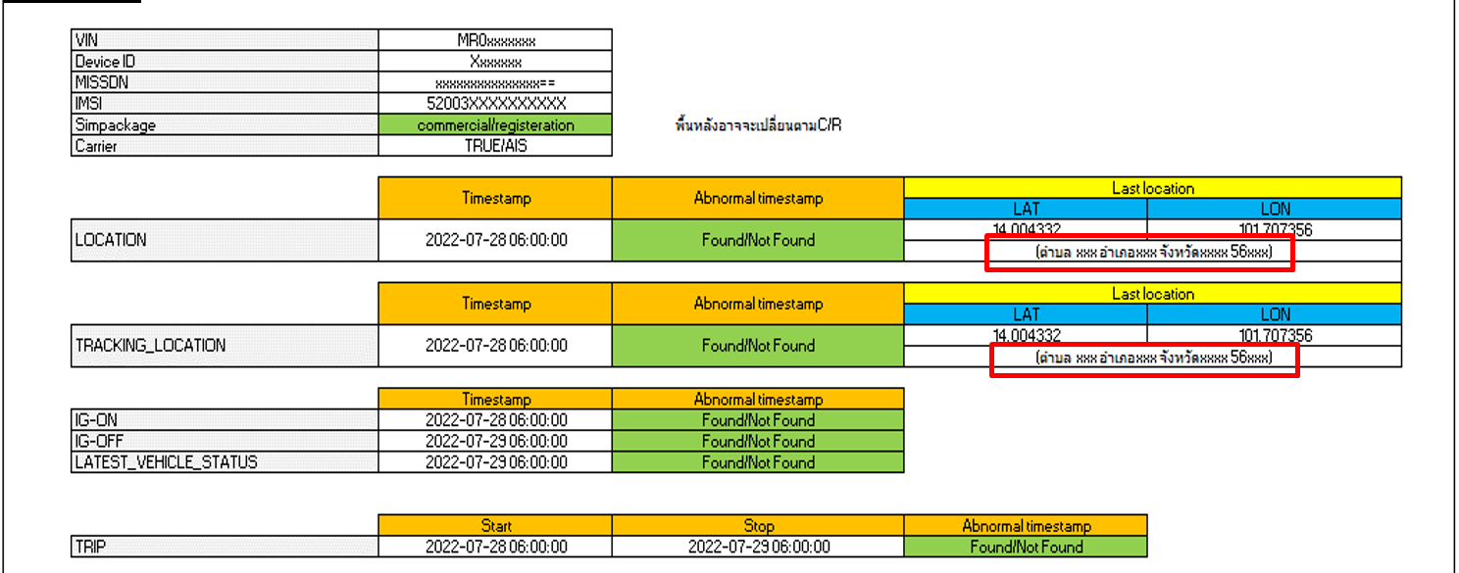
Issue

1 | The address gets via Google API which is paid service.
 | Please concern about this point. If you have any changes to this requirement, please let me know soon.

